Exhibt 1-4
 |  |  | Exhibit 4
 |  |  | VENTILATORS DEMAND AT PEAK
 |  |  | (units)
EXHIBIT 1 – VENTEC VENTILATORS | EXHIBIT 2 – GM MANUFACTURING PLANTS AND COVID-19 EPICENTERS BY MAGNITUDE | EXHIBIT 3 – NATIONWIDE PROJECTED DEMAND FOR VENTILATORS WITH HIGH AND LOW SCENARIOS

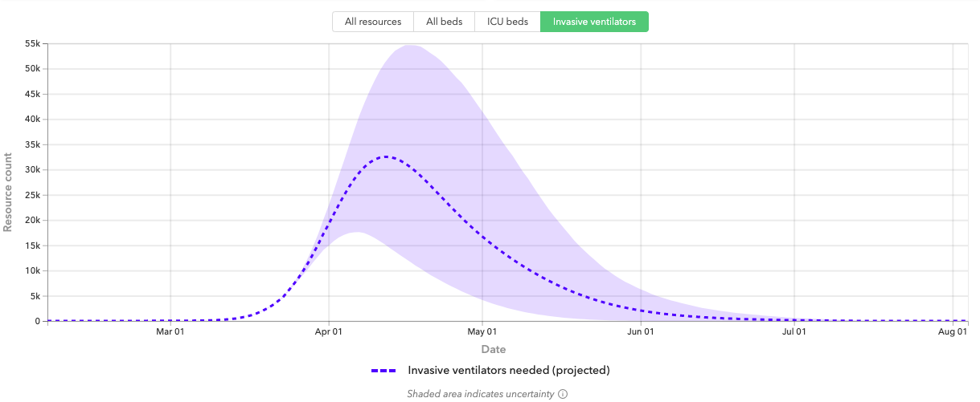
 |  |  | States | Required | Lower-bound | Upper-bound
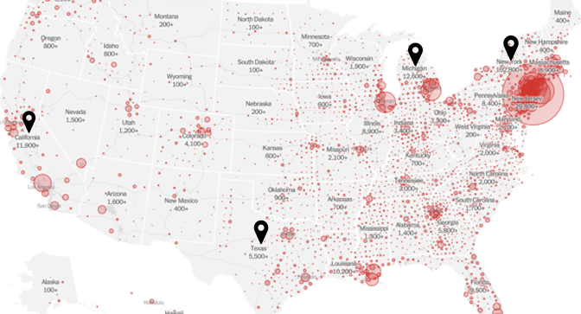
 |  |  | Alabama | 299 | 235 | 341
 |  |  | Alaska | 42 | 31 | 54
 |  |  | Arizona | 436 | 374 | 484
 |  |  | Arkansas | 177 | 135 | 207
 |  |  | California | 1,238 | 49 | 3,070
 |  |  | Colorado | 182 | 15 | 401
 |  |  | Connecticut | 281 | 91 | 667
 |  |  | Delaware | 59 | 46 | 69
 |  |  | Florida | 451 | 2 | 1,172
 |  |  | Georgia | 846 | 204 | 1,457
 |  |  | Hawaii | 86 | 63 | 102
 |  |  | Idaho | 98 | 70 | 115
 |  |  | Illinois | 721 | 101 | 1,447
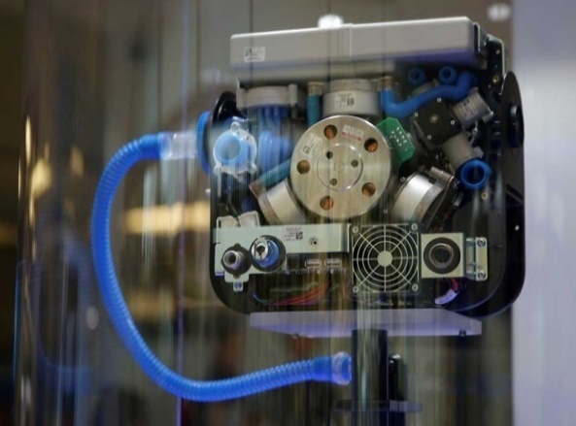
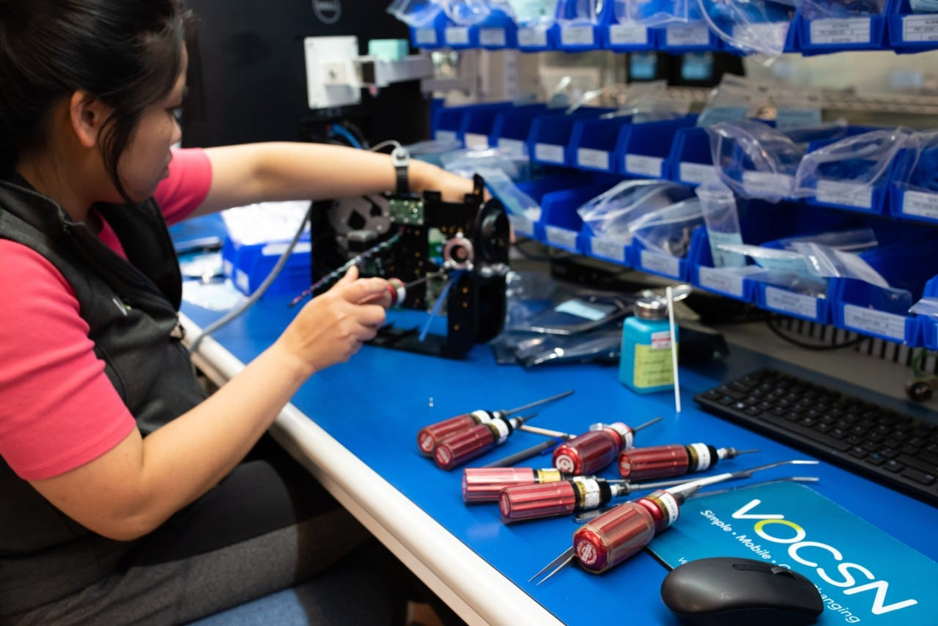
 |  |  | Indiana | 854 | 151 | 2,656
 |  |  | Iowa | 184 | 143 | 212
 |  |  | Kansas | 167 | 130 | 194
 |  |  | Kentucky | 95 | 0 | 248
 |  |  | Louisiana | 775 | 305 | 1,871
 |  |  | Maine | 88 | 69 | 102
 |  |  | Maryland | 182 | 16 | 576
 |  |  | Massachusetts | 834 | 111 | 2,486
 |  |  | Michigan | 1,785 | 503 | 4,767
 |  |  | Minnesota | 325 | 246 | 376
 |  |  | Mississippi | 176 | 142 | 202
 |  |  | Missouri | 866 | 46 | 2,733
 |  |  | Montana | 65 | 46 | 77
 |  |  | Nebraska | 108 | 80 | 128
 |  |  | Nevada | 287 | 30 | 947
 |  |  | New Hampshire | 84 | 64 | 99
 |  |  | New Jersey | 1,462 | 449 | 3,629
 |  |  | New Mexico | 128 | 96 | 151
 |  |  | New York | 4,141 | 1,783 | 10,340
 |  |  | North Carolina | 633 | 516 | 717
 |  |  | North Dakota | 41 | 30 | 50
 |  |  | Ohio | 712 | 609 | 800
 |  |  | Oklahoma | 234 | 197 | 263
 |  |  | Oregon | 118 | 5 | 252
 |  |  | Pennsylvania | 794 | 680 | 891
 |  |  | Rhode Island | 63 | 48 | 74
 |  |  | South Carolina | 138 | 3 | 312
 |  |  | South Dakota | 49 | 35 | 59
 |  |  | Tennessee | 411 | 345 | 461
 |  |  | Texas | 1,554 | 1,334 | 1,750
 |  |  | Utah | 157 | 127 | 192
 |  |  | Vermont | 165 | 47 | 351
 |  |  | Virginia | 276 | 5 | 652
 |  |  | Washington | 236 | 14 | 456
 |  |  | West Virginia | 114 | 80 | 137
 |  |  | Wisconsin | 109 | 0 | 256
 |  |  | Wyoming | 35 | 24 | 44
 |  |  | TOTAL | 23,361 | 9,925 | 49,097

 |  |  | Source: IHME Forecast, Ventilator Data

